Quality
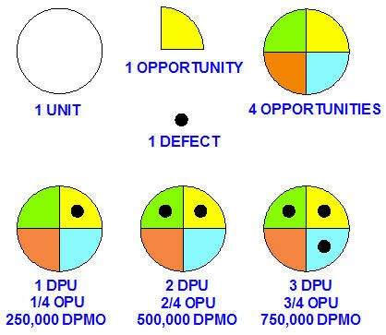
M264 EXCEL 6-SIGMA QUALITY TOOLS Part-1
 | John Andrew P.E.
 | Revised 11 July 2018
Spread Sheet Method: new Excel version
1. Type in values for the Input Data.
2. Excel will make the Calculations.
Excel's GOAL SEEK
Excel's, "Goal Seek" adjusts one Input value to cause a Calculated formula cell to equal a given value.
When using Excel's Goal Seek, unprotect the spread sheet by selecting: Drop down menu: Home > Format > Unprotect Sheet > OK
When Excel's Goal Seek is not needed, restore protection with:
Drop down menu: Home > Format > Protect Sheet > OK
 | QUALITY
ENGINEERING FOR QUALITY
This 8 PDH course includes essential quality control problem solving methods applicable to the mathematics and science of the: industrial, chemical, mechanical, electrical, and production engineering disciplines. The focus is on solving basic product and process quality problems using Excel math tools.
Many engineering organizations design new products and manufacturing processes. This includes:
1. Understanding Clients Basic Needs, "Voice of the customer".
a. Product Quality.
b. Product Delivery to Customer on Time.
c. Profit.
2. Creating winning engineering proposals that meet and exceed the clients needs.
3. Originate quality product designs, manufacturing systems, specifications.
4. Equipment procurement.
4. Implementing construction and start-up of new facilities.
5. Monitoring and controlling manufacturing processes for quality.
World class product quality must be met before sales can begin.
MANUFACTURING PROCESS CAPABILITY
All manufacturing and chemical processes deviate from the optimum over time.
The process engineer and client desire the product to have desired parameters: dimensions, weight, temperature, pressure, endurance, flow rate, power, etc. at all stages from: in coming raw materials, to finished product, to useful service life.
A small amount of deviation must be allowed in all part and process parameters because perfection is impossible in all manufacturing processes.
The challenge is to control the variations in parameters within an allowable deviation. The variations in these parameters in many processes are normally distributed.
Another challenge is the variation in production parameters over time. Initially when systems are installed and run, they perform at a higher level of quality than that experienced after an extended period of time.

Spread Sheet Method: Excel-97 2003 - old version
1. Type in values for the Input Data.
2. Excel will make the Calculations.
Excel's GOAL SEEK
Excel's, "Goal Seek" adjusts one Input value to cause a Calculated formula cell to equal a given value.
When using Excel's Goal Seek, unprotect the spread sheet by selecting: Drop down menu: Tools > Protection > Unprotect Sheet > OK
When Excel's Goal Seek is not needed, restore protection with:
Drop down menu: Tools > Protection > Protect Sheet > OK

 |  |  |  |  | SIX SIGMA - PROCESS CAPABILITY

PROCESS CAPABILITY INDEX Cp
Cp = (Upper Spec Limit - Lower Spec Limit) / (6 x Sigma)
Cp = (USL - LSL)/( 6σ)
Cp = 1.00 but 1.33 or greater is desirable
Cpk => + 1.33 (USL) or -1.33 (LSL) each is desirable.
A process must be stable before it can be considered capable.
Cp is the process capability.
It is the quantity of variation given by standard deviation and upper and lower limits from the mean.
3 SIGMA RUN CHART (below)
Because this is a 3-Sigma operation, the long term number of defective parts will be 67 per 1000.

6 SIGMA RUN CHART (below)
By changing the process from a drill and drilling jig to a milling fixture, the accuracy and repeatability increases to the 6 sigma level.
The run chart above, illustrates a 6-Sigma normally distributed variation in part hole positions between an USL of 3.002 and LSL of 3.000 inches.
The long term 6 sigma operation reduces the number of defective parts to 3.4 + 3.4 or 6.8 parts per 1,000,000,000 parts produced.

SIX SIGMA QUALITY STANDARD
For many years the standard for manufacturing quality in the US has been three sigma. That is 2,700 parts per million will be outside the +/- 3 sigma quality standard and will are scrapped or repaired.
GE, Motorola, Westinghouse, DuPont, and many other corporations are striving to improve manufacturing to a six sigma quality control standard.
The Six Sigma system reduces deviations in specified quality limits to 3.4 per million opportunities. Other companies hire GE Six Sigma experts, rated at the "Black Belt" level, to solve quality control problems.
3M is a very innovative corporation. They produce 60,000 products in 44 divisions.
At the 3M web site, you will find over 850 Products beginning with the Letter S. 15% of selected employees time is devoted to free thinking and innovation. When six sigma was introduced at 3M, innovation was curtailed. Quality control means doing things one way and reduces flexibility and innovation.
There is much room for improvement. Many manufacturing and assembly systems today do not run above 70% up time, even when there is a back-log of orders.
Some basic reasons for this are:
A. Poor product specification and design.
B. Faulty prototype performance evaluation.
C. Unsatisfactory manufacturing quality control.
Product Quality Estimation Example
Parts A and B below are to be manufactured and assembled in large quantities.
1. How many parts will pass inspection?
2. How many assemblies will pass inspection?
3. How many parts will be reparable?
Part Design Metal parts A and B below, were designed to be bolted together. Fit, form, and function of A and B assembled together is possible if the deviation in

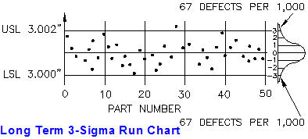
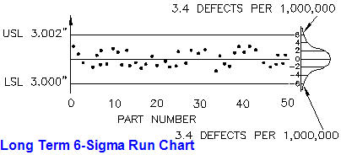

 |  |  |  |  | USE THIS TOOL |  |  |  |  | THIS EXAMPLE IS LOCKED
 |  |  |  |  | PROCESS CAPABILITY INDEX Cp
 |  |  |  |  |  |  | Input
 |  |  |  |  |  | Upper Spec Limit, USL = | 80.00 | deg F
 |  |  |  |  |  | Lower Spec Limit, LSL = | 60.00 | deg F
 |  |  |  |  |  | Sigma = | 2.257
 |  |  |  |  |  |  | Calculation
 |  |  |  |  |  | Capability Index Cp = | ( USL - LSL ) / 6*Sigma
 |  |  |  |  |  | = | 1.48

 |  |  |  |  | USE THIS Cpk TOOL |  |  |  | THIS Cpk TOOL EXAMPLE IS LOCKED
 |  |  |  |  | PROCESS CENTERING CAPABILITY Cpk |  |  |  | PROCESS CENTERING CAPABILITY Cpk
 |  |  |  |  |  |  | Input |  |  |  | Input
 |  |  |  |  |  | Upper Spec Limit, USL = | 80.00 | deg F |  | Upper Spec Limit, USL = | 80.00 | deg F
 |  |  |  |  |  | Lower Spec Limit, LSL = | 60.00 | deg F |  | Lower Spec Limit, LSL = | 60.00 | deg F
 |  |  |  |  |  | Mean, m = | 70.47 | deg F |  | Mean, m = | 70.47 | deg F
 |  |  |  |  |  | Sigma = | 2.257 |  |  | Sigma = | 2.257
 |  |  |  |  |  |  | Calculation |  |  |  | Calculation
 |  |  |  |  |  | USL Centering Index Cpk = | ( USL - m ) / 3*Sigma |  |  | USL Centering Index Cpk = | ( USL - m ) / 3*Sigma
 |  |  |  |  |  | = | 1.41 |  |  | = | 1.41

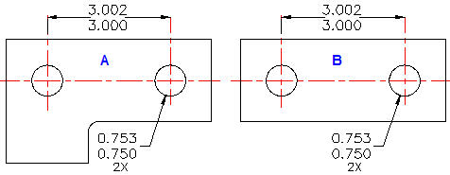
 |  |  |  |  |  | LSL Centering Index Cpk = | ( LSL - m ) / 3*Sigma |  |  | LSL Centering Index Cpk = | ( LSL - m ) / 3*Sigma
 |  |  |  |  |  | = | -1.55 |  |  | = | -1.55
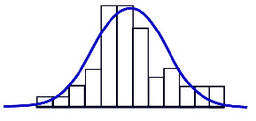

 |  |  |  |  | PROCESS MEAN m |  |  |  | PROCESS MEAN m
 |  |  |  |  | Item number n | Input Value x | (x - m) | (x - m)^2 | Item number n | Input Value x | (x - m) | (x - m)^2
 |  |  |  |  | 1 | 72 | 1.53 | 2.35 | 1 | 72 | 1.53 | 2.35
 |  |  |  |  | 2 | 70 | -0.47 | 0.22 | 2 | 70 | -0.47 | 0.22
distance between holes in parts A and B is 3.002 - 3.000 = 0.002 inch.
In addition hole diameters must not vary more than 0.003 inch.
Each pair of parts, A and B are to be assembled with two: Unified Thread Series, 3/4-10 UNC 2A diameter machine screws, lock washers, and nuts.
The max and min bolt diameters are: 0.7482 and 0.7353 inches.
Variations in Manufactured Parts
A and B above are each to be manufactured in quantities of 500 per week for 10 weeks.
Metal shape modification processes are subject to dimensional variations due to:
a. Cutting tool friction and wear.
b. Cutting tool force and part deflections.
c. Machine tool travel deviations.
d. Temperature warp.
e. Part and tool vibration.
 |  |  |  |  | 3 | 69 | -1.47 | 2.15 | 3 | 69 | -1.47 | 2.15
 |  |  |  |  | 4 | 68 | -2.47 | 6.08 | 4 | 68 | -2.47 | 6.08
 |  |  |  |  | 5 | 73 | 2.53 | 6.42 | 5 | 73 | 2.53 | 6.42
 |  |  |  |  | 6 | 71 | 0.53 | 0.28 | 6 | 71 | 0.53 | 0.28
 |  |  |  |  | 7 | 71 | 0.53 | 0.28 | 7 | 71 | 0.53 | 0.28
 |  |  |  |  | 8 | 70 | -0.47 | 0.22 | 8 | 70 | -0.47 | 0.22
 |  |  |  |  | 9 | 69 | -1.47 | 2.15 | 9 | 69 | -1.47 | 2.15
 |  |  |  |  | 10 | 73 | 2.53 | 6.42 | 10 | 73 | 2.53 | 6.42
 |  |  |  |  | 11 | 70 | -0.47 | 0.22 | 11 | 70 | -0.47 | 0.22
 |  |  |  |  | 12 | 71 | 0.53 | 0.28 | 12 | 71 | 0.53 | 0.28
 |  |  |  |  | 13 | 69 | -1.47 | 2.15 | 13 | 69 | -1.47 | 2.15
 |  |  |  |  | 14 | 68 | -2.47 | 6.08 | 14 | 68 | -2.47 | 6.08
 |  |  |  |  | 15 | 73 | 2.53 | 6.42 | 15 | 73 | 2.53 | 6.42
 |  |  |  |  | 16 | 71 | 0.53 | 0.28 | 16 | 71 | 0.53 | 0.28
 |  |  |  |  | 17 | 71 | 0.53 | 0.28 | 17 | 71 | 0.53 | 0.28
 |  |  |  |  | 18 | 70 | -0.47 | 0.22 | 18 | 70 | -0.47 | 0.22
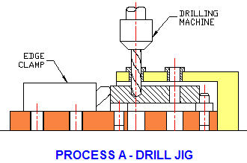
 |  |  |  |  | 19 | 69 | -1.47 | 2.15 | 19 | 69 | -1.47 | 2.15
 |  |  |  |  | 20 | 73 | 2.53 | 6.42 | 20 | 73 | 2.53 | 6.42
 |  |  |  |  | 21 | 72 | 1.53 | 2.35 | 21 | 72 | 1.53 | 2.35
 |  |  |  |  | 22 | 70 | -0.47 | 0.22 | 22 | 70 | -0.47 | 0.22
 |  |  |  |  | 23 | 68 | -2.47 | 6.08 | 23 | 68 | -2.47 | 6.08
 |  |  |  |  | 24 | 69 | -1.47 | 2.15 | 24 | 69 | -1.47 | 2.15
 |  |  |  |  | 25 | 70 | -0.47 | 0.22 | 25 | 70 | -0.47 | 0.22
 |  |  |  |  | 26 | 70 | -0.47 | 0.22 | 26 | 70 | -0.47 | 0.22
 |  |  |  |  | 27 | 72 | 1.53 | 2.35 | 27 | 72 | 1.53 | 2.35
 |  |  |  |  | 28 | 71 | 0.53 | 0.28 | 28 | 71 | 0.53 | 0.28
 |  |  |  |  | 29 | 71 | 0.53 | 0.28 | 29 | 71 | 0.53 | 0.28
 |  |  |  |  | 30 | 70 | -0.47 | 0.22 | 30 | 70 | -0.47 | 0.22
 |  |  |  |  | Total = | 2114 | Total = | 65.47 | Total = | 2114 | Total = | 65.47
 |  |  |  |  | Mean, m = | 70.47 |  |  | Mean, m = | 70.47
PROCESS A - DRILL JIG
Drilling operation process A above, employs a jig.
The run chart below, illustrates the variations in hole distance from part to part using the above jig and drilling machine.
Upper Specification Limit (USL) is 3.002 and the Lower Specification Limit (LSL) 3.000 inches.
The variations in hole distances is found to have a 3-Sigma normal distribution. Please click on the "Math Tools" tab below for the underlying theory of, "Normal Distributions".
 |  |  |  |  | Sigma, s = | Sum(x -m)^2 / (n - 1) |  |  | Sigma, s = | Sum(x -m)^2 / (n - 1)
 |  |  |  |  | s = | 2.257 |  |  | s = | 2.257

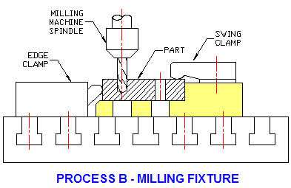

 |  |  |  |  |  | RUN CHART |  |  |  | RUN CHART

Manufacturing Process B
Drilling operation process B, above, uses the improved precision of a milling machine to drill the two holes.

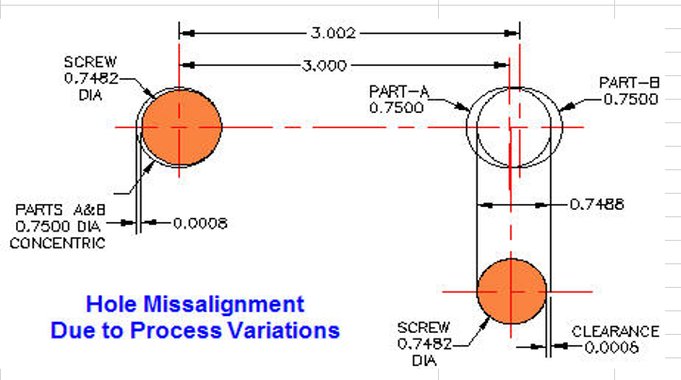

Hole Misalignment
Consider the extreme case, shown above (not to scale):
1. Hole diameters in parts A and B are drilled at the LSL of 0.750.
2. Holes are drilled at the USL 3.002 inches apart in A and the LSL 3.000 inches apart in B.
3. The left side holes in parts A and B are concentric.
4. Right hole diameter is reduced by: 3.002 - 3.000 = 0.002 inches
5. Machine screw at UCL 0.7482 inches diameter inserted in left hole will have a clearance of, 0.0008 inches.
6. Right side holes in A and B are offset by, 3.002 - 3.000 = 0.002 inches leaving an opening size for the right side bolt of 0.7500 - 0.002 = 0.7488 inches.
7. Machine screw at UCL 0.7482 inches diameter inserted in right hole will have a clearance of, 0.0008 inches.

Calculate Number of Defects in Any Normally Distributed Process
1. To transform a process variable: Upper and Lower Specification Limits to an equvalent number of standard deviations ( Z ) consider this dimension between holes example.
Z = ( Upper Spec Limit - Mean ) / Sigma
Z = ( 3.002 - 3.001 ) / 0.0003333 = 3.00
2. Type the Z value in the Input below.
3. Excel's NORMSDIST will calculate the, "Short Term" probability that a process parameter will be more than the Upper Spec Limit.
Please click on the "Math Tools" tab below for the underlying theory.

 | SEE DEFINITIONS OF SHORT AND LONG TERM SIGMAS BELOW:
 | CALCULATE SHORT TERM SIGMA GIVEN Z-SCORE
 |  | Input
 | Short Term Z-Score, Z = | 3.00 | Number of Sigma's
 | USL = | 20
 | Mean = | 18
 |  | Calculation
 | Short Term Sigma = | ( USL - Mean ) / Z
 |  | 0.6666667
 | CALCULATE SHORT TERM Z-SCORE GIVEN SIGMA
 |  | Input
 | Upper Spec Limit, USL = | 3.50
 | Mean = | 3.001
 | Short Term Sigma = | 0.0003333
 |  | Calculation
 | Short term Z-Score, Z = | ( USL - Mean ) / Sigma
 | = | 1496.97 | Number of Sigma's
 | CALCULATE SHORT TERM DEFECTS PER MILLION
 |  | Input
 | Z = | 3.00 | Number of Sigma's
 |  | Calculations
 | Probability of less than USL = | NORMSDIST( Z )
 | = | 0.9987
 | Probability of exceeding the USL, P(>USL) = | 1- NORMSDIST( Z )
 | = | 0.0013499
 | Probability of outside USL & LSL = | 2 * P(>USL)
 | = | 0.0026997960633
 | Defects per million opportunities, DPMO = | 2699.796

 | EXCEL'S GOAL SEEK
 |  | Input
 | Short Term Z Score, Z = | 2.0000 | Number of Sigma's
 | USL = | 100
 | Mean = | 90
 |  | Calculation
 | Short Term Sigma = | ( USL - Mean ) / Z
 |  | 5.0000

PRACTICE GOAL SEEK USING THE LIVE CELLS ABOVE
Pick the Green Cell > Tools > Goal Seek > To value > 2.00 > By changing > Pick the Yellow Cell.
1. What Z-Score will give a Sigma of 2.00? Ans: Z = 5.00.
2. What Z-Score will give a Sigma of 3.00? Ans: Z = 3.33.

SIX SIGMA
Consider equipment items such as: car starters, washing machine pumps, refrigerator ice makers, etc. each consisting of an assembly of many parts.
Each part of an assembly can have several dimensions critical to the: fit, form, and function of the complete machine.
Small Tolerances Equals High Cost
Machining a part length between 2.000 and 2.001 inches, the difference allowed for the length to be manufactured, a tolerance of 0.001 inches costs much more than a tolerance of 0.005 inches.
The equipment and controls in a chemical process that must hold a fluid temperature within 1 degree C costs much more than that required to hold a 5 degree C range.
The number of defects per million opportunities of a normally distributed process at the "Short Term" Six Sigma level is 0.001. Because of the increased variations due to the combination of many elements in an assembly working together and variations over time there is a shift in the number of Sigma's. This "Long Term" shift has been found to be 1.5. Z is the number of Sigma's as defined above.
SHORT AND LONG TERM SIGMAS
Z_{LT} is the long-term number of sigma's.
Z_{ST} is the short-term number of sigma's.
Z_{SH} = 1.5, is the shift over time in the number of sigma's.
Z_{LT} = Z_{ST} - Z_{SH}
See table below for short term and long term USL defects per million opportunities.

Short & Long Term Z
The table right, gives short and long term defects exceeding the USL.
ZLT = ZST - ZSH
ZLT = ZST - 1.5
 | Short-Term | Short-Term | Long-Term | Long-Term
 | ZST | Defects / Million | ZLT = ZST - 1.5 | Defects / Million
 | 2 | 22750 | $0.500 | 308,538
 | 3 | 1350 | $1.500 | 66,807
 | 4 | 32 | $2.500 | 6,210
 | 5 | 0.3 | $3.500 | 233
 | 6 | 0.001 | $4.500 | 3.4
This shift of 1.5 in the number of Sigmas is used to calculate the industry standard for Sigma quality. Six Sigma quality is 3.4 defects above the Upper Specification Limit per million opportunities. By symmetry there will be an additional 3.4 defects below the Lower Specification Limit.
 |  | Rev:10Jan08

 | CALCULATE SHORT TERM PROBABILITIES OF PROCESS VARIABLE
 |  | Input
 | Short Term Z = | 4.00
 |  | Calculations
 | Less than USL = | NORMSDIST( Z )
 | = | 0.999968
 | Exceeding USL = | 1- NORMSDIST( Z )
 | = | 0.0000317
 | Short Term Defects per million opportunities, DPMO = | 31.6712
 | CALCULATE LONG TERM PROBABILITIES OF PROCESS VARIABLE
 |  | Input
 | Short Term ZST = | 5
 |  | Calculations
 | Long Term ZLT = | ZST - 1.5
 | = | 3.5000000
 | Less than USL = | NORMSDIST( Z )
 | = | 0.9997674
 | Exceeding USL = | 1- NORMSDIST( Z )
 | = | 0.0002326
 | Long Term Defects per million opportunities, DPMO = | 232.63
DPMO, DPU, and OPU
DPU, is the Defects Per Unit.
OPU, is the number of opportunities per unit.
DPMO, is the Defects Per Million Opportunities.
DPMO = 1,000,000 x DPU / OPU see below.

 |  | Input
 | Defects per Unit, DPU = | 2
 | Opportunities per Unit, OPU = | 20
 |  | Calculation
 | Defects per Million Opportunities, DPMO = | 1000000 * DPU / OPU
 | = | 100000

 | DPMO, DPU, and OPU

Decision Making
EXCEL 6-SIGMA QUALITY TOOLS Part-1
 | John Andrew P.E.
 | DECISION MAKING
ENGINEERING DECISIONS
Engineering decisions include:
1. Facts The solution can not be determined until the problem is fully defined and understood.
2. Knowledge You must have or acquire the knowledge required to make a decision. If you receive advice from others, you continue to be accountable for the outcome of your decision. Studying 2 or 3 books on a particular subject will make you an expert.
3. Experience The present situation is compared with similar circumstances experienced. Your experience includes your own and that of others you have associated with. The time to obtain experience can be compressed by studying applicable books and reports.
4. Analysis is the process of dividing an engineering problem into parts. The main problem is resolved by solving each part-problem. Various analysis procedures are included in this course.
5. Judgment Often all the information required to make a decision is not available. In this case it is wise not to make a decision.
6. Action Steps taken to implement decision making include:
a. List objectives.
b. Prioritize objectives.
c. List actions required to reach objectives.
d. Define adverse consequences of each action.
e. Select best action required to achieve objective.
f. Implement best action.
DECISION THEORY
Decision theory is based on values and probability including:
1. Stated objectives.
2. Known facts, similar systems, and data.
3. Alternate courses of action.
4. Related physical laws.
5. Analysis of individual parts of the objective.
6. Risk factors: money, time, experience, etc.
7. Math models: stress analysis, statistical probabilities, etc.
8. Comparison tables.
9. Attribute comparison factors.
10. Calculation of highest value choice.

Utility
A number of choices are given values. Utility is the ratio of the outcome value of a given choice divided by the outcome value of the base Choice A. See tables below.
Some values are:
a. Cost in dollars.
b. Return on Investment at the end of period of time.
b. Useful Life in months or years
c. Strength in lbs per square inch
d. Endurance in stress reversal cycles to failure.
e. Performance in: degrees centigrade, revs per minute, hp, etc.

Each value was divided by the value of A (250)
 |  | Choice A | Choice B | Choice C
 | Cost | 250 | 350 | 220
 | Utility | 1.00 | 1.40 | 0.88
Each value was divided by the value of A (120)
 |  | Choice A | Choice B | Choice C
 | Performance | 120 | 100 | 90
 | Utility | 1.00 | 0.83 | 0.75
Each value was divided by the value of A (300)
EXAMPLE
CELLS
ARE
LOCKED
USE
TABLES
BELOW
 |  | Choice A | Choice B | Choice C
 | Endurance | 300 | 350 | 200
 | Utility | 1.00 | 1.17 | 0.67

Attribute Comparison
1. Attributes The attributes of the factors affecting the outcome are listed vertically, see below.
2. Alternatives Next the alternative choices are listed horizontally.
3. Decision Matrix A weight factor is chosen and multiplied by each attribute.
4. Decision The highest overall rating is the best choice.

 |  | Rating | Value
 |  | 5 | Very high
 |  | 4 | High
 |  | 3 | Average
 |  | 2 | Low
 |  | 1 | Very low

 | Attribute | Value | Choice A | Choice B | Choice C
 | Cost | 4 | 4 x 1.00 = 4.00 | 4 x 1.40 = 5.60 | 4 x 0.88 = 3.52
 | Performance | 5 | 5 x 1.00 = 5.00 | 5 x 0.83 = 4.15 | 5 x 0.75 = 3.75
 | Endurance | 3 | 3 x 1.00 = 3.00 | 3 x 1.17 = 3.51 | 3 x 0.67 = 2.01
 |  | TOTAL | 12.00 | 13.26 | 9.28

Attribute Calculations
Type values below for your choices in the table below to obtain an attribute comparison.

Type W values
 |  | Choice A | Choice B | Choice C | Choice D
 | W | 150 | 250 | 120 | 0
 | Utility | 1.00 | 1.67 | 0.80 | 0.00
Type X values
 |  | Choice A | Choice B | Choice C | Choice D
 | X | 12 | 10 | 90 | 0
 | Utility | 1.00 | 0.83 | 7.50 | 0.00
Type Y values
 |  | Choice A | Choice B | Choice C | Choice D
 | Y | 30 | 35 | 20 | 0
 | Utility | 1.00 | 1.17 | 0.67 | 0.00
Type Z values
 |  | Choice A | Choice B | Choice C | Choice D
 | Z | 1 | 1 | 1 | 1
 | Utility | 1.00 | 1.00 | 1.00 | 1.00
Type rating values of the attributes of you’re problem.
If Value Z is not included, type 1 for the Utility of Choices:
A, B, C, & D.
 | Rating | Value
 | 5 | Very high
 | 4 | High
 | 3 | Average
 | 2 | Low
 | 1 | Very low

Attribute | Value | Choice A | Choice B | Choice C | Choice D
W | 3 | 3.00 | 5.00 | 2.40 | 0.00
X | 4 | 4.00 | 3.33 | 30.00 | 0.00
Y | 2 | 2.00 | 2.33 | 1.33 | 0.00
Z | 1 | 1.00 | 1.00 | 1.00 | 1.00
 | TOTAL | 10.00 | 11.67 | 34.73 | 1.00

W = | Cost
X = | Performance
Y = | Endurance
Z = | Power
Type your attributes in place of the above titles.

More Attributes
Keep the best attribute out W, X, Y, and Z. Keep the data of the inferior choices. Then type the values of up to three new choices. Repeat the above attribute comparison of the best of, with the new choices.

Math Tools
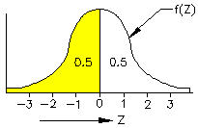
EXCEL 6-SIGMA QUALITY TOOLS Part-1
 | John Andrew P.E.
 | MATH TOOLS

Normal Probability Distribution
The area under the normal probability distribution curve, above, is 1.00. f(Z) is the population distribution function. The short term probability of any process parameter occurring under the distribution curve is 1.00 or 100%. The tails of the normal probability curve extend indefinitely.
The curve is symmetrical about the arithmetic mean, Mu = 0. Half of the area, 0.5 lies on each side of the mean. The Standard Deviation of a data set is a measure of the spread of the data and is called, Short Term Sigma.
The probability distribution function is:
f(Z) = e^-((Z-Mu)^2/2Sigma^2) / (2*π*Sigma)

Use this table
 | Mean Parameter Value
 |  | Input | Input |  |  | Input | Input
 |  | Parameter | Frequency | Calculation |  | Parameter | Frequency | Calculation
 |  | X | F | X*F |  | X | F | X*F
 |  | 10 | 750 | 7500 |  | 10 | 750 | 7500
 |  | 20 | 2005 | 40100 |  | 20 | 2005 | 40100
 |  | 30 | 1950 | 58500 |  | 30 | 1950 | 58500
 |  | 40 | 195 | 7800 |  | 40 | 195 | 7800
 |  | 50 | 100 | 5000 |  | 50 | 100 | 5000
 |  | Total = | 5000 | 118900 |  | Total = | 5000 | 118900
N
N
 |  |  | Calculation |  |  |  | Calculation
 |  | Sample Size, N = | 5000 |  |  | Sample Size, N = | 5000
 |  | Mean, Xbar = | ΣX*F / N |  |  | Mean, Xbar = | ΣX*F / N
 |  | = | 23.780 |  |  | = | 23.780

 |  | Median Parameter Value |  |  |  | Median Parameter Value
 |  |  | The median parameter is the value in |  |  |  | The median parameter is the value in
 |  |  | the middle of the total distribution: |  |  |  | the middle of the total distribution:
 |  |  | Calculation |  |  |  | Calculation
 |  | Median located at F = | ΣF / 2 |  |  | Median located at F = | ΣF / 2
 |  | = | 2500 |  |  | = | 2500
 |  |  | Input |  |  |  | Input
 |  | Median value opposite F = | 19.5 |  |  | Median value opposite F = | 19.5

 | Range of Parameter Values |  | Input
 |  | Max Parameter Value, Max = | 49.5
 |  | Min Parameter Value, Min = | 9.5
 |  |  | Calculation
 |  | Range = | Max - Min
 |  | = | 40
 | Variance of Grouped Data
Variance ( S ) of a data set is a measure of the spread of the data about the mean ( Mu ).
Standard deviation ( Sigma ) is a measure of the spread of the total population about the mean ( Mu ).

 |  | Variance, S^2 = | [ ΣX^2*F - (ΣX*F)^2 / N ] / (N - 1)
 |  | Input | Input |  |  | Input | Input
 |  | Parameter | Frequency | Calculation | Calculation | Parameter | Frequency | Calculation | Calculation
 |  | X | F | X*F | X^2*F | X | F | X*F | X^2*F
Use
this table
 |  | 10 | 750 | 7500 | 75000 | 10 | 750 | 7500 | 75000
 |  | 20 | 2005 | 40100 | 802000 | 20 | 2005 | 40100 | 802000
 |  | 30 | 1950 | 58500 | 1755000 | 30 | 1950 | 58500 | 1755000
 |  | 40 | 195 | 7800 | 312000 | 40 | 195 | 7800 | 312000
 |  | 50 | 100 | 5000 | 250000 | 50 | 100 | 5000 | 250000
 |  | Totals = | 5000 | 118900 | 3194000 | Totals = | 5000 | 118900 | 3194000

 |  |  | Calculation |  |  |  | Calculation
 |  | Variance, S^2 = | [ ΣX^2*F - (ΣX*F)^2 / N ] / (N - 1) |  |  | Variance, S^2 = | [ ΣX^2*F - (ΣX*F)^2 / N ] / (N - 1)
 |  | S^2 = | 73.326 |  |  | S^2 = | 73.326
 |  | Short Term Sigma = | √ S^2 |  |  | Standard Deviation, Sigma = | √ S^2
 |  | Sigma = | 8.563 |  |  | Sigma = | 8.563
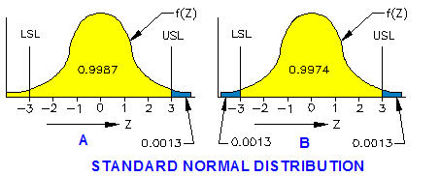

Defect Probability
240 measurements have shown that variations in temperature of a certain chemical at the outlet of a continuous mixing process are normally distributed over an 6 hour time span. The standard deviation, Sigma = 1. The probability of the temperature falling below 3 Sigma, curve A above, is 0.9987 or 99.87%.

NUMBER OF DEFECTS
The temperature of the chemical is being controlled between 3 Sigma upper and lower limits:
Upper Specification Limit, (USL) Z = +3 deg C
Lower Specification Limit, (LSL) Z = - 3 deg C
The probability of the temperature exceeding the USL is 0.0013 or 0.13%.
By symmetry the probability of exceeding the LSL is 0.0013 or 0.13%, see curve B above.

 |  | Input
 | Short Term Z = | 4.00 | Number of Short Term Sigma's Above the Mean
 | Xbar = | 0.00 | Mean
 | Sigma = | 1.00 | Value of Sigma
 |  | Calculations
 | Less than USL = | NORMDIST(X,Mu,Sigma,TRUE)
 | = | 0.9999683
 | Exceeding USL = | 1 - NORMDIST(X,Mu,Sigma,TRUE)
 | = | 0.0000317
NORMDIST For In-Spec and Out-of-Spec
Use Excel's NORMDIST to calculate the short term probability, P(Z) of a process falling below the upper specification limit. Input the number of sigma's (Z), Mean (Xbar), and Sigma, as shown above.
If Z = 3.00 then P(Z) = 0.9987 is the short term probability of an event occurring below the upper specification limit.
1 - P(Z) = 0.001349 is the short term probability of an event occurring above the upper specification limit.
Since the Normal Probability Distribution is symmetrical about the mean (0) the short term probability of the temperature dropping below Sigma = -3 is also 0.0044. See right.

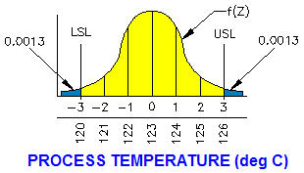

NORMALIZING A DISTRIBUTION RANGE
The allowable deviation range of a process temperature is:
126 - 120 = 6 deg C
The USL is 126 deg C and the LSL is 120 deg C.
Number of Sigma's above the Mean, Z = (USL - Mean) / Sigma
= ( 126 - 123 ) / 1.00
= 3.00
The short term probability of the normally distributed process temperature exceeding the 3-Sigma USL level of quality is 0.0013 or 0.13%.
By symmetry, the probability of dropping below the LSL is: 0.0013 or 0.13%.

 | CALCULATE Z SCORE |  |  | CALCULATE SIGMA
 |  | Input |  |  | Input
 | Sigma = | 4.00 |  | Z Score, Z = | 5
 | USL = | 130 |  | USL = | 30
 | Mean = | 115 |  | Mean = | 10
 |  | Calculation |  |  | Calculation
 | Z Score, Z = | ( USL - Mean ) / Sigma |  | Sigma = | ( USL - Mean ) / Z
 |  | 3.75 |  |  | 4.00
NORMSDIST For In-Spec and Out-of-Spec
Use Excel's NORMSDIST to calculate the short term probability of the process exceeding the upper and lower specification limits. Input the number of sigma's (X), Mean (Mu), and Sigma, as shown below.
NORMSDIST is the probability of an event occurring below the upper specification limit.
(1 - NORMSDIST) is the probability of an event occurring above the upper specification limit.
LONG AND SHORT TERM Z
Z long term = Z short term + Z shift
ZLT = ZST + 1.5

 | CALCULATE LONG AND SHORT TERM PROBABILITIES OF PROCESS VARIABLE
 |  | Input |  |  | Input
 | Short Term Z = | 3.50 |  | Long Term ZLT = | 5.00
 |  | Calculations |  |  | Calculations
 | Less than USL = | NORMSDIST( Z ) |  | Short Term ZST = | ZLT - 1.5
 | = | 0.9997674 |  | = | 3.50
 | Exceeding USL = | 1- NORMSDIST( Z ) |  | Less than USL = | NORMSDIST( Z )
 | = | 0.0002326 |  | = | 0.9997674
 | Short Term DPMO = | 232.63 |  | Exceeding USL = | 1- NORMSDIST( Z )
 |  |  |  | = | 0.0002326
Defects per Million Opportunities, DPMO |  |  |  | Long Term DPMO = | 232.63

 | X | f(X) | PROCESS D
 | 1 | 4.5 | 4.5
 | 2 | 5 | 5
 | 3 | 6 | 6
 | 4 | 8 | 8
 | 5 | 12 | 12
 | 6 | 12 | 12
 | 7 | 8 | 8
 | 8 | 6 | 6
 | 9 | 5 | 5
 | 10 | 4.5 | 4.5
 |  | 71 | 71 | < Number of Sample Values
POPULATION DISTRIBUTION
In the table, above, X is the process parameter number X.
The values under the Process D column may be copied into the f(X) column for demonstration purposes. We may assume that Process D is normally distributed.
Enter the number of times parameter X occurs in your process in the f(X) column and the graph below will be constructed by Excel.

POPULATION DENSITY

Spread Sheet Method:
1. Type in values for the input data.
2. Excel will make the calculations.

When using Excel's Goal Seek, unprotect the spread sheet by selecting:
Drop down menu: Tools > Protection > Unprotect Sheet > OK
When Excel's Goal Seek is not needed, restore protection with:
Drop down menu: Tools > Protection > Protect Sheet > OK

Excel's GOAL SEEK

Excel's Goal Seek adjusts one input value to cause a calculated formula cell to equal a given amount.

The objective is to find the + or -Z Score that will result in 2700 defects per million opportunities.

Excel spread sheets will make a trial and error iteration automatically with the tool called, "Goal Seek".

1. Select the calculated answer in blue cell, C289 below.

2. Select: Tools > Goal Seek > Pick "To value:" > 2700 > By changing: > Pick yellow cell, C282 > Okay.

CALCULATE PROBABILITY OF PROCESS In-Spec and Out-of-Spec
 |  | Input
 | Z Score, Z = | 3.00 | Number of Sigma's
 |  | Calculations
 | Less than USL = | NORMSDIST( Z )
 | = | 0.9986501
 | Exceeding USL = | 1- NORMSDIST( Z )
 | = | 0.0013499
 | Defects per Million
 | Opportunities = | 2700
PRACTICE GOAL SEEK USING THE LIVE CELLS BELOW
Pick the Green Cell > Tools > Goal Seek > To value > 100 > By changing > Pick the Yellow Cell.
1. What Z-Score will produce 100 defects per million opportunities? Ans: Z = 3.89.
2. What Z-Score will produce 1000 defects per million opportunities? Ans: Z = 3.29.

 |  | Input
 | Z Score, Z = | 4.26 | Number of Sigma's
 |  | Calculations
 | Less than USL = | NORMSDIST( Z )
 | = | 0.9999900
 | Exceeding USL = | 1- NORMSDIST( Z )
 | = | 0.0000100
 | Defects per Million
 | Opportunities = | 20

Process Design
EXCEL 6-SIGMA QUALITY TOOLS Part-1
 | John Andrew P.E.
 | PROCESS DESIGN
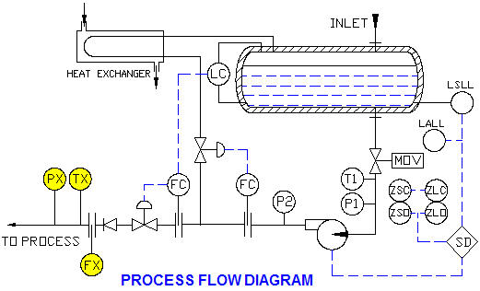

PROCESS FLOW DIAGRAM
The process flow diagram, above, is a pump station for a hazardous fluid. The parameters critical to quality are fluid: pressure (PX), temperature (TX), and flow (FX).
Specification
1. A level / flow cascade loop on the pump discharge to provide process control.
2. A check valve on the discharge down stream of the control valve to prevent reverse flow when the pump is shut down.
3. A fire safe motor operator valve (MOV) in case of seal leakage and fires.
4. An interlock from the MOV to stop the pump if the valve is not fully open.
5. A low level interlock from the vessel to stop the pump if the vessel loses its liquid seal.
6. A pressure gage on the suction to indicate adequate NPSHA.
7. A thermometer on the suction to indicate potential high vapor pressure.
8. A minimum flow recycle loop back to the vessel.
9. A pressure gage on the pump discharge to indicate that the pump is working.
10. Monitor fluid: pressure (psig), temperature (deg C), and flow (gpm)

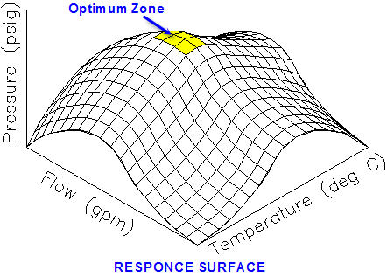

RESPONSE SURFACE EXAMPLE
The response surface for the pump station fluid: temperature, time, and pressure parameters is shown in the graph above. The defects per million opportunities is calculated below based on an historical assumption of 3 standard deviations and normal distribution of these three variables within specification limits.
A large optimum zone results in a reliable process.

 |  |  | Lower | Upper |  | Sigma
 |  | PROCESS | Spec Limit | Spec Limit | Mean | Z = 3
 |  | Pressure | -1.400 | 2.000 | 70.000 | 0.56667
 |  | Temperature | -1.000 | 1.000 | 195.000 | 0.33333
 |  | Flow | 1.000 | 1.000 | 40.000 | 0.00000

 |  | SigmaTOTAL = | (SigmaTEMP^2 + SigmaTIME^2 +SigmaPRES^2 ) ^0.5
 |  | = | 0.65744
 |  | Mean Response = | ( PressUSL - PressLSL )
 |  | = | 3.400

 |  | LSL = | 0 | ZLSL = | (LSL - Mean Gap) / SigmaTOTAL
 |  | USL = | 2*Mean | = | -5.17
 |  | = | 6.800 | ZUSL = | (USL - Mean Gap) / SigmaTOTAL
 |  |  |  | = | 5.17
 |  |  |  | Defects Per Unit, DPU = | 2*(1 - NORMSDIST( ZUSL ))
 |  |  |  | = | 0.000000232
 |  |  |  | Defects Per Million Opportunities, DPMO = | DPU*10^6
 |  |  |  | = | 0.2320914

SENSITIVITY ANALYSIS
The governing equations of the above sensitivity to parameter variations are:
Estimate of expected mean values:
y = f( x1, x2, ….., xn )
Estimate of variation about the expected standard deviation values:
Sy ≈ [ (δy/δx₁)² σ1² + (δy/δx₂)² σ2² + … + (δy/δx_{N})² σ_{N}²
Which reduces to:
Sigma_{TOTAL} = √ ( σ₁² + σ₂² + … + σ_{N}² )
This is known as the Root Sum of Squares method for linear coefficients.

MY PROCESS
Enter your process: means, upper and lower specification limits for up to 4 variables in the table below to calculate defects per million opportunities.

 |  | PROCESS |  | TITLE
 |  | A =
 |  | B =
 |  | C =
 |  | D =

 |  |  | Lower | Upper |  | Sigma
 |  | PROCESS | Spec Limit | Spec Limit | Mean | Z = 3
 |  | A | -0.050 | 0.050 | 4.600 | 0.0166667
 |  | B | -0.030 | 0.030 | 1.800 | 0.0100000
 |  | C | -0.030 | 0.030 | 1.800 | 0.0100000
 |  | D | -0.020 | 0.020 | 0.900 | 0.0066667

 |  | SigmaTOTAL = | (SigmaTEMP^2 + SigmaTIME^2 +SigmaPRES^2 ) ^0.5
 |  | = | 0.02285
 |  | Mean Response = | (AUSL - ALSL)
 |  | = | 0.100

 |  | LSL = | 0 | ZLSL = | (LSL - Mean Gap) / SigmaTOTAL
 |  | USL = | 2*Mean | = | -4.376
 |  | = | 0.200 | ZUSL = | (USL - Mean Gap) / SigmaTOTAL
 |  |  |  | = | 4.376
 |  |  |  | Defects Per Unit, DPU = | 2*(1 - NORMSDIST( ZUSL ))
 |  |  |  | = | 0.0000121
 |  |  |  | Defects Per Million Opportunities, DPMO = | DPU*10^6
 |  |  |  | = | 12.090

 | S1 | S2 | S3 | S4 | S5 | S6 | S7 | S8
T | 4 | 7 | 9 | 11 | 9 | 5 | 3 | 1
0 | 8 | 12 | 15 | 16 | 15 | 10 | 8 | 5
20 | 10 | 17 | 19 | 20 | 19 | 17 | 15 | 12
40 | 9 | 15 | 16 | 18 | 17 | 15 | 11 | 8
60 | 5 | 13 | 13 | 14 | 15 | 13 | 10 | 6
80 | 3 | 9 | 8 | 10 | 7 | 6 | 4 | 3
80 | 1 | 3 | 4 | 6 | 4 | 3 | 2 | 2

PROCESS RESPONSE SURFACE

PROCESS RESPONSE SURFACE
Three variables: Pressure, Temperature, and Flow are plotted on the 3-D surface above. It can be used to analyse variable sensitivities and optimize a process.
1. Sensitivity is a measure of the steepness of the response surface in the: Temperature VS Pressure and the Flow VS Pressure planes.
2. Maxima and Minima are presented clearly in the graphically format.
To crate a new 3-D surface plot: Change the values in the table of variables below to those in your process.
or select: The new values in the table below > Chart Wizard > Surface.

 | S1 | S2 | S3 | S4 | S5 | S6 | S7 | S8
T | 4 | 7 | 9 | 11 | 9 | 5 | 3 | 1
0 | 8 | 12 | 15 | 16 | 15 | 10 | 8 | 5
20 | 10 | 17 | 19 | 20 | 19 | 17 | 15 | 12
40 | 9 | 15 | 16 | 18 | 17 | 15 | 11 | 8
60 | 5 | 13 | 13 | 14 | 15 | 13 | 10 | 6
80 | 3 | 9 | 8 | 10 | 7 | 6 | 4 | 3
80 | 1 | 3 | 4 | 6 | 4 | 3 | 2 | 2

PROCESS RESPONSE SURFACE

NEW PROCESS RESPONSE SURFACE
Comments:

Product Design
EXCEL 6-SIGMA QUALITY TOOLS Part-1
 | John Andrew P.E.
 | PRODUCT DESIGN
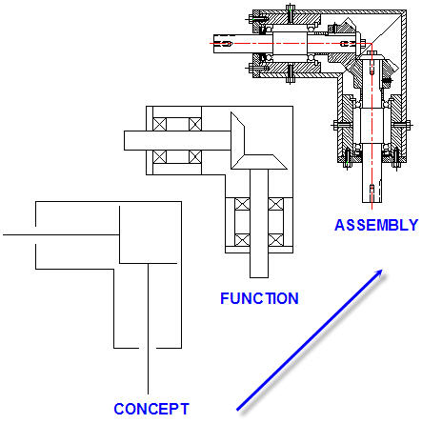

PRODUCT DESIGN
A project engineer began the bevel gearbox design above, with a specification:
1. Make a CAD drawing of a 90 degree bevel gearbox.
2. Bevel gears: 25 Teeth, 20 Deg. 2.500 Pitch Diameter.
3. Nominal shaft size: 1.000 inches, material AISI 304 stainless steel.
4. Ball bearings: 1.000 shaft size, deep groove, 440 lb static, 25,000 rpm.
5. Shaft seals and grease lubrication.
The design leader made a simple concept sketch showing basic components: two bevel gears in mesh, each mounted on a shaft and the assembly surrounded by a shell. More features were added in the function diagram. Bearings, bearing housings, and cover flanges defined the design more completely.
Next the design leader or CAD operator developed the complete bevel gearbox assembly drawing below, by following the engineer's specification and referring to component vendor data.
Finally, detail dimensioned drawings were made of each component.

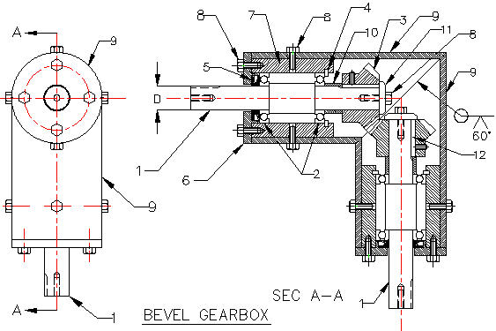

BEVEL GEARBOX BILL OF MATERIALS
ITEM QTY DESCRIPTION MATERIAL
1 2 SHAFT 1.000” DIA 304 STN STEEL
2 4 BALL BEARING SK6205 STN STEEL
3 2 BEVEL GEAR 25 TEETH, 20 DEG. 2.500 PD
4 2 INTERNAL RETAINING RING 97633A380
5 2 OIL SEAL S42077-8
6 2 END CAP M-200786
7 2 BEARING HOUSING 2024 ALUMINUM
8 18 MACHINE SCREW W-000500-SH
9 2 GEARBOX SCH 40 STAINLESS STEEL PIPE
10 2 COLLAR STEEL
11 2 RETAINER STEEL
12 2 SQUARE KEY 99374A130
INTERACTION BETWEEN PRODUCT COMPONENTS
The product designer understands that components of a product operate successfully if they:
a. Fit together, running, sliding, clearance or close location or tight force interference.
b. Have the correct Form: straight, flat, or curved shapes and surface finish.
c. Function together interactively and continuously under: static, dynamic loads, and temperatures for the warranty life.

INTERACTIONS (red) BETWEEN GEARBOX COMPONENTS
The components of the bevel gearbox are designed to: fit, form, and function together:
1. Bevel gear (3) is prevented from rotating on shaft (1) by key (12) above.
2. Key (12) is held in place by the grub screw supplied with the bevel gear (3).
3. Shaft (1) is free to rotate while supported in two ball bearings (2).
4. Bevel gear (3) is prevented from separating from shaft (1) by retainer (11) and screw (8).
5. Bevel gear (3) is prevented from sliding toward the bearing by collar (10).
6. The bearings (2) held against the shoulders on shaft (1).
7. Bearings (2) are held in housing (7) which provides a chamber for lubricating oil.
8. Bearing housing (7) is supported by a standard steel pipe (9) and secured by machine screws (8).
9. Internal retaining ring (4) holds the right bearing (2) in place.
10. End cap (8) clamps the left bearing (2) and holds oil seal (5) in place.
11. Bevel gear (3) will mesh with the other bevel gear to change the direction of rotation.

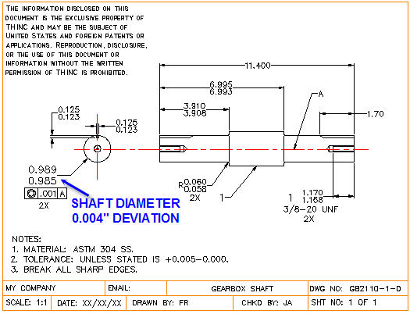

Gearbox Shaft Quality
The shaft above, upper and lower limit diameter dimensions are: 0.989 and 0.985 inches. The total deviation or manufacturing allowance in shaft diameter is the difference between upper and lower limits, 0.004 inches. How accurately will this 4 thousandths of an inch variation in shaft diameter be measured? Additional variations in product quality are due to deviations in inspectors and measuring equipment accuracy and repeatability. See the, "Inspection" worksheet.

Maching Process Capability Example
The detail dimensioned shaft drawing below was provided by the engineering department. The shaft must fit a bearing supplied by an independent bearing vendor with unknown standards of quality and delivery reliability. The shaft will be manufactured in-house. Turning tolerance for the nominal 1.000 inch nominal shaft diameter is 0.0035 inches.
A Root Sum of Squares (RSS) method for analyzing the product reliability due to the dimension stack-up in the bevel gearbox drawing below. See, "Process Design" for the underlying theory.

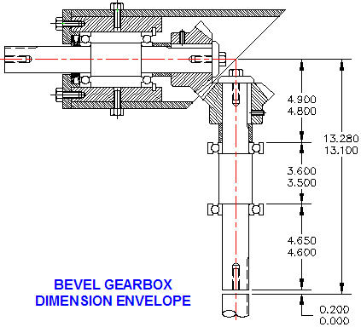

 |  | Lower | Upper
 | PROCESS | Spec Limit | Spec Limit | Mean | Sigma
 | Envelope | 13.100 | 13.280 | 13.190 | 0.0300000
 | Part 1 | 4.600 | 4.650 | 4.625 | 0.0083333
 | Part 2 | 3.500 | 3.600 | 3.550 | 0.0166667
 | Part 3 | 4.800 | 4.900 | 4.850 | 0.0166667

 | SigmaTOTAL = | ( SENV^2 + Sp1^2 + Sp2^2 +Sp3^2 ) ^0.5
 | = | 0.0390512
 | Mean Gap = | Envelope - (P1 + P2 + P3 )
 | = | 0.1650000
 | SigmaGap = | SigmaTotal
 | = | 0.0390512

 | LSL = | 0 | ZLSL = | (LSL - Mean Gap) / SigmaGap
 | USL = | 2*Mean Gap | = | -4.225
 | = | 0.3300000 | ZUSL = | (USL - Mean Gap) / SigmaGap
 |  |  | = | 4.225
 |  |  | Defects Per Unit, DPU = | 2*(1 - NORMSDIST( ZUSL ))
 |  |  | = | 0.0000239
 |  |  | Defects Per Million Opportunities, DPMO = | DPU*10^6
 |  |  | = | 23.9

Maching Process Capability Problem
Use the, Root Sum of Squares (RSS) method below for analyzing the product reliability due to the dimension stack-up in your application.

 |  | Lower | Upper
 | PROCESS | Spec Limit | Spec Limit | Mean | Sigma
 | Envelope | 13.100 | 13.280 | 13.190 | 0.0300000
 | Part 1 | 4.600 | 4.650 | 4.625 | 0.0083333
 | Part 2 | 3.500 | 3.600 | 3.550 | 0.0166667
 | Part 3 | 4.800 | 4.900 | 4.850 | 0.0166667

 | SigmaTOTAL = | ( SENV^2 + Sp1^2 + Sp2^2 +Sp3^2 ) ^0.5
 | = | 0.0390512
 | Mean Gap = | Envelope - (P1 + P2 + P3 )
 | = | 0.1650000
 | SigmaGap = | SigmaTotal
 | = | 0.0390512

 | LSL = | 0 | ZLSL = | (LSL - Mean Gap) / SigmaGap
 | USL = | 2*Mean Gap | = | -4.225
 | = | 0.330 | ZUSL = | (USL - Mean Gap) / SigmaGap
 |  |  | = | 4.225
 |  |  | Defects Per Unit, DPU = | 2*(1 - NORMSDIST( ZUSL ))
 |  |  | = | 0.0000239
 |  |  | Defects Per Million Opportunities, DPMO = | DPU*10^6
 |  |  | = | 23.9

Reliability
EXCEL 6-SIGMA QUALITY TOOLS Part-1
 | John Andrew P.E.
 | RELIABILITY

MANUFACTURING COMPANY RELIABILITY CONCERNS
Basic concerns of manufacturing and chemical process companies include:
1. Product quality.
2. Product useful life.
3. On time manufacturing process start-up.
4. Minimum production process down time.
5. Reduced customer / product service.

GEARBOX FAILURES

 |  |  | YEAR | FAILED
 |  |  | 0 | 0
 |  |  | 1 | 10
 |  |  | 2 | 1
 |  |  | 3 | 1
 |  |  | 4 | 1
 |  |  | 5 | 1
 |  |  | 6 | 1
 |  |  | 7 | 1
 |  |  | 8 | 2
 |  |  | 9 | 4
 |  |  | 10 | 8

PRODUCT FAILURES - BATHTUB CURVE
Product Failure: End of ability to perform 100% of intended functions. The reliability VS time curve of many products: cars, TV's, dishwashers, etc, pass through three stages of a bathtub curve similar to the one shown above.
A. New product: 0 to 1 years.
B. Mid-life constant failure rate: 1 to 7 years.
C. Ware-out: 7 to 10 years.
Each of these three stages has failure rates:
MTBF = Mean Time Between Failures.
MTTF = Mean Time To Failure.
CFR = Cumulative Failure Rate.

 | FAILURE RATE WITHOUT REPAIRS
 | Valid during Mid-life constant failure rate. | Input
 | Number of Failures, F = | 5 | -
 | Number of Units Tested, N = | 30 | -
 | Length of Test Time per Unit, T = | 6 | hrs/Unit
 |  | Calculations
 | Mean Time Between Failures, R = | F / ( N * T)
 | R = | 0.027777777778 | Failures per hour

 | FAILURE RATE WITH REPAIRS
 | Valid during Mid-life constant failure rate.
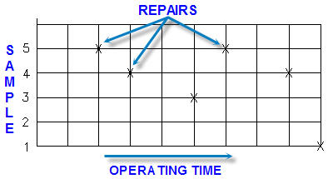

 |  | Input
 | Number of Repairs During Test, F = | 5 | -
 | Number of Units Tested, N = | 20 | -
 | Length of Test Time per Unit, T = | 1000 | hrs/Unit
 |  | Calculations
 | Mean Time Between Repairs, MTBR = | F / ( N * T)
 | MTBR = | 0.00025 | Failures per hour
 | Mean Time To Repair, MTTR = | ( N * T) / F
 | MTTR = | 4000 | hrs/Unit

 | RELIABILITY FUNCTION
 | Valid during Mid-life constant failure rate. | Input
 | Unit Operating Time, M = | 150.0 | months
 | Days per week, D = | 5 | days/week
 | Hours per day, H = | 8 | hrs/day
 | Mean Time To a Repair, MTTR, T = | 5000 | hrs/Unit
 |  | Calculations
 | Unit Operating Time, T = | D*H*(52 / 12) * M
 | = | 26000.00 | hrs
 | Probability Unit will function M months, P = | e-T/M
 | = | 82.5%

MFG
EXCEL 6-SIGMA QUALITY TOOLS Part-1
 | John Andrew P.E.
 | MANUFACTURING
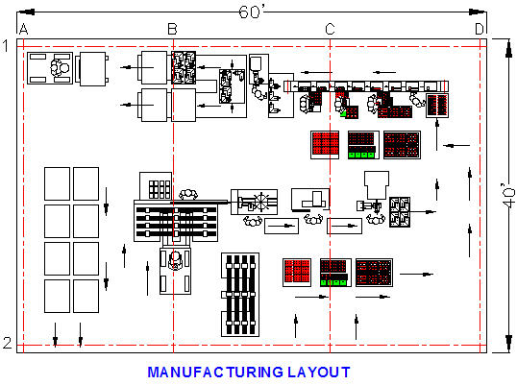

PLANNING MANUFACTURING QUALITY
World standard product quality must be met before sales can begin.
The bevel gearbox below will be manufactured in the factory above. Every activity in the proposed manufacturing plant layout above is subject to deviations. Upper and lower limits to these variations must be established and engineered into the system. Experience has shown that a small fraction of the processes in a factory cause most of the quality problems.
Pareto's Law
Pareto stated that about 20 percent of the components in a group will have 80 percent of the total importance. See graph below.
Applying this principle to:
a. Cost: 20% of components comprise 80% of total cost.
b. Breakdowns: 20% of parts in an equipment item cause 80% of failures.
c. Time: 20% of time is required to complete 80% of a task.
d. Maintenance: 20% of the components in a machine require 80% of time to repair.

GEARBOX FAILURES
 |  |  |  | PART | FAILURES | Input | Input
 |  |  |  | SHAFT | 80% | PART | FAILURES
 |  |  |  | GEAR | 30% | A | 80%
 |  |  |  | SEAL | 20% | B | 30%
 |  |  |  | COLLAR | 10% | C | 20%
 |  |  |  | BEARING | 5% | D | 10%
 |  |  |  |  |  | E | 5%
Input
components
from your
project
right.

Product Quality Control
The assembly drawing of the gearbox to be manufacture in the factory is shown below. It has 12 components. Bearings, gears, collars, retaining rings, and machine screws will be purchased from vendors. The equipment suppliers must meet quality standards and delivery schedules established in legal and binding contracts.
Items manufactured in-house will be: shafts, bearing housings, gearbox shell, and end caps. Variations in the dimensions of these components determine: fit form, and function.

BEVEL GEARBOX BILL OF MATERIALS
ITEM QTY DESCRIPTION MATERIAL
1 2 SHAFT 1.000” DIA 304 STN STEEL
2 4 BALL BEARING SK6205 STN STEEL
3 2 BEVEL GEAR 25 TEETH, 20 DEG. 2.500 PD
4 2 INTERNAL RETAINING RING 97633A380
5 2 OIL SEAL S42077-8
6 2 END CAP M-200786
7 2 BEARING HOUSING 2024 ALUMINUM
8 18 MACHINE SCREW W-000500-SH
9 2 GEARBOX SCH 40 STAINLESS STEEL PIPE
10 2 COLLAR STEEL
11 2 RETAINER STEEL
12 2 SQUARE KEY 99374A130

Shaft Diameter Tolerance
Upper Specification Limit (USL) is 0.989 inches.
Lower Specification Limit (LSL) is 0.985 inches.
Total allowable tolerance or deviation in shaft diameter is 0.004 inches.

CUTTING TOOL FORCE
Below, metal is revolved by cutting tool action in the turning operation illustrated below. Several factors reduce the quality of the shaft:
1. The tool must overcome the friction of the chip and the shear strength of the part material. Vibration due to metal chip removal reduces accuracy.
2. Chip thickness is always greater than cut depth d. Quality is reduced if long stringy chips tangle between part and tool.
3. Temperature increase due to tool / part friction may affect dimensions of the finished part.

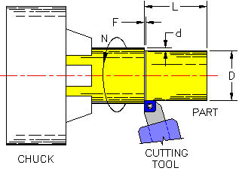

 |  | Input
 | Motor power, P = | 4 | hp
 | Machine tool drive efficiency, E = | 80%
 | Cutting speed, V = | 500 | ft per min
 |  | Calculation
 | Cutting force, F = | 33000*P*E / S
 | F = | 211.2 | lbs
Allowable Deflection
The Industry standard for instrument accuracy used to measure machined part dimensions is, 1/10 or 10% of the tolerance being measured.
Therefore part deflection Y due to clamping force should be less than 1/100 or 1% of the tolerance on part thickness.
The part deflection ratio R is equal to: (Part deflection Y) / (Total tolerance Z)
R should be less than 1/100 or 1% of the total tolerance being measured.
Deflection Y is due to the cutting tool force F in the Turing operation below.

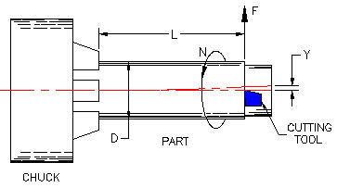

Part Deflection due to Cutting Tool Force |  |  | See deflection Y above.
 |  | Input
 | Total tolerance on diameter D is, Z = | 0.005 | in
 | Turning tool force, F = | 100 | lbs
 | Part diameter, D = | 2.500 | in
 | Part length, L = | 12.000 | in
 | Part modulus of elasticity, E = | 30000000 | lbs/in^2
 |  | Calculations
 | Area moment of inertia, I = | π*D^4/64
 | I = | 1.9175 | in^4
 | Max deflection, Y = | F*L^3/(3*E*I)
 | Y = | 0.001001 | in
 | Part deflection ratio, R = | Y / Z
 | R = | 20.0%

JIGS AND FIXTURES
In general terms, fixtures hold parts firmly while being machined or assembled, and jigs guide or position cutting tools. Jigs and fixtures are used today in manual and Numerically Controlled (N/C) machine tools.

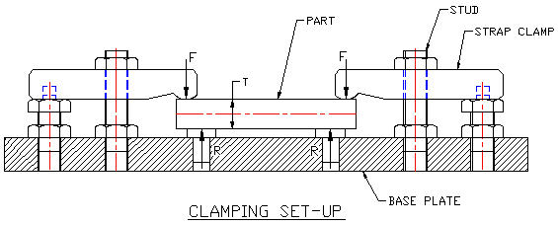

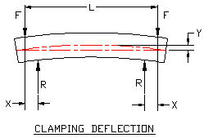
 |  | Strap Clamp Force
 |  | Ref: "Jig and fixture Handbook, Carr-lane.
 |  | Stud | Torque | Clamp
 |  | Size | ft-lbs | Force lbs
 |  | 1/4-20 | 4 | 500
 |  | 3/8-16 | 16 | 1300
 |  | 1/2-13 | 38 | 2300
 |  | 5/8-11 | 77 | 3700
 |  | 3/4-10 | 138 | 5500
 |  | '7/8-9 | 222 | 7600
 |  | 1-8 | 333 | 10000

Part Deflection due to Vertical Offset Clamping Force |  |  | See deflection Y above.
 | Part is a bar supported near each end.
 | One clamp is outboard of each support.
 |  | Input
 | Total tolerance on thickness T is, Z = | 0.005 | in
 | Clamp force, F = | 1000 | lbs
 | Clamp force offset, X = | 0.400 | in
 | Part thickness, T = | 1.750 | in
 | Part width, W = | 2.000 | in
 | Part length, L = | 14.000 | in
 | Part modulus of elasticity, E = | 30000000 | lbs/in^2
 |  | Calculations
 | End moment, M = | F*X
 | M = | 400 | in lbs
 | Area moment of inertia, I = | W*T^3 / 12
 | I = | 0.893 | in^4
 | Max deflection, Y = | F*X*(3*L^2 - 4*X^2)/(24*E*I)
 | Y = | 0.00037 | in
 | Part deflection ratio, R = | Y / Z
 | R = | 7.3%

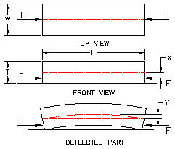

 | Part Deflection due to Horizontal Offset Clamping Forces |  |  | See illustration above.
 |  | Input
 | Total tolerance on thickness T is, Z = | 0.010 | in
 | Clamp force, F = | 300 | lbs
 | Clamp force offset, X = | 0.200 | in
 | Part thickness, T = | 3.000 | in
 | Part width, W = | 3.000 | in
 | Part length, L = | 20.000 | in
 | Part modulus of elasticity, E = | 30000000 | lbs/in^2
 |  | Calculations
 | End moment, M = | F*X
 | M = | 60 | in lbs
 | Area moment of inertia, I = | W*T^3 / 12
 | I = | 6.750 | in^4
 | Max deflection, Y = | M*L^2 / (2*E*I)
 | Y = | 0.000059 | in
 | Part deflection ratio, R = | Y / Z
 | R = | 0.6%

Inspection
EXCEL 6-SIGMA QUALITY TOOLS Part-1
 | John Andrew P.E.
 | INSPECTION

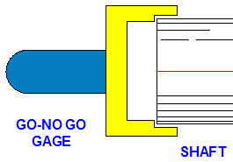

INSPECTION REPEATABILITY AND REPRODUCIBILITY R & R
One very difficult challange is manufacturing parts with dimensions within the small tolerances currently required. Every part must fit, form, and function with other parts in the assembled product. Companies are sometimes forced to assemble out-of-tolerance parts. Oversize rods in the reject bin are assembled in mating parts with oversize holes.
The shaft, pictured above, must have a diameter in the range:
Upper Spec Limit, USL = 0.989 inches
Lower Spec Limit, USL = 0.985 inches
The shaft was machined in a turning center and its diameter is being inspected above with a Go-No Go gage. There are variations in the use of gages and their dimensions that must be taken into account.
Type A Inspection Test
The type A inspection test measures three components:
1. Repeatability of the gage.
2. Reproducibility of the measurement method.
3. Long term stability of the measurements.
The relationship between Sigma observed, Sigma measured, and Sigma part or process is illustrated below.

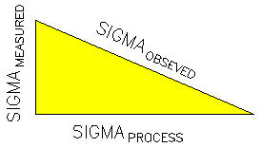

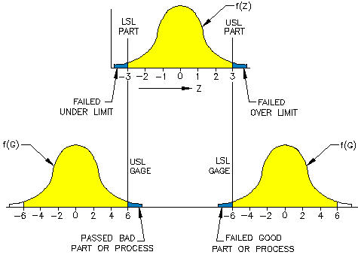

Calculating: Process, Measured, and Observed Sigma's
Input the values below and Excel will calculate: Process, Measured, and Observed Sigma's.

 |  | Input
 | USL = | 130
 | LSL = | 128
 | Mean = | 129
 | Process Short Term Z-Score, ZST = | 4.00
 |  | Calculation
 | Process Tolerance, T = | USL - LSL
 | = | 2.0000
 | System Total Z-Score, ZST = | T / (2 * SigmaOBS)
 | Sigma Observed, SigmaOBS = | T / (2 * ZST)
 | = | 0.2500000
 | Sigma of Total Process, SigmaST = | 20 * SigmaMEA
 | Sigma Observed, SigmaOBS^2 = | SigmaPRO^2 + SigmaMEA^2
 | SigmaOBS^2 = | 20 * SigmaMEA^2 + SigmaMEA^2
 | SigmaOBS^2 = | 21 * SigmaMEA^2
 | SigmaMEA^2 = | SigmaOBS^2 / 21
 | Sigma Measured, SigmaMEA = | ( SigmaOBS^2 / 21 )^0.5
 | = | 0.0545545
 | Sigma of Total Process, SigmaST = | 20 * SigmaMEA
 |  | 1.0910895

Quality of Inspection
Gage R & R = 5.0 * Sigma measured / Process tolerance
Gage R & R should be less than 15%.

 |  | Input
 | SigmaMEA = | 0.5
 | Process Tolerance, T = | 20
 |  | Calculation
 | Gage R & R = | 5.0 * Sigma measured / Process tolerance
 |  | 12.50%

